Guide
Data Capability Assessment Form

This analysis has two sections:

The Assessment page includes your responses to all of the questions answered within the assessment form.

The Graph Data page includes an analysis of your scores across the four assessed dimensions:
People and culture – the way data is understood, valued and treated
Data activities – the way data is managed and transacted for operational reasons
Business process – the wider processes that interact with data, mostly for creating outputs
Technology – the support of data management capabilities through tools and applications

Your score is shown in the top left corner with an explanation of how that relates to a maturity level
Below that is a table breaking down the score into the four dimensions
The first chart then shows how the overall score was calculated from the weighted questions in the assessment
The four pie charts show how much each of your answers to those questions made up the score in each dimension

Maturity Levels
When reviewing your analysis, you may wish to refer to the levels as defined by the toolkit:

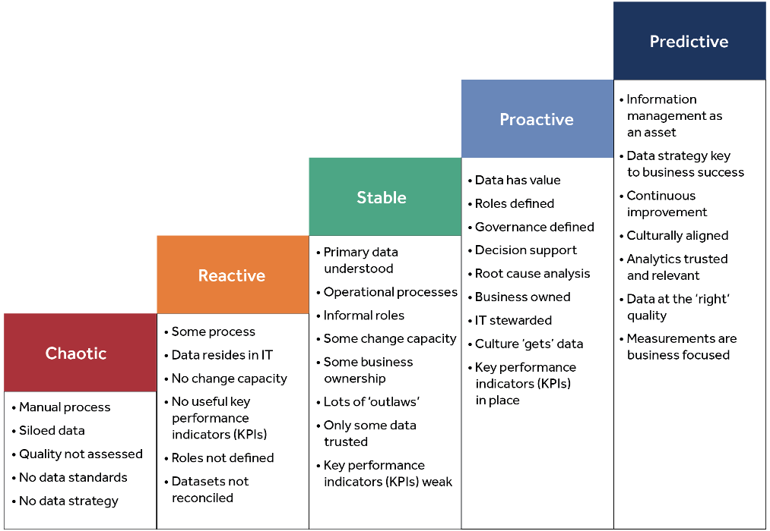

Higher Education Statistics Agency Limited is a company limited by guarantee, registered in England at 95 Promenade, Cheltenham, GL50 1HZ. Registered No. 02766993. Registered Charity No. 1039709. Certified to ISO 27001. The members are Universities UK and GuildHE.

Graph_Data
Aspirational maturity assessment analysis

Weighted Score |  | 3.37 |  | MATURITY LEVEL 3: PROACTIVE |  |  |  |  |  | Centered

What does this mean? How should my organisation 'feel' like at this level? |  |  |  | No formal data management capability exists. Data is collected, stored and processed in an entirely operational context. Business processes are embryonic at best, while technology is very limited In use. Dealing with operation and change is difficult and quality of outputs is not trusted. Culturally data is not viewed as important, or even understood. There are no repeatable processes to increase efficiency or reduce cost, no interest in dealing with potential legal data breaches, and not strategy or direction on how data management can support organisational goals.

Summary | Assessment blocks | Scores | 0 | CHAOTIC | 1 | REACTIVE | 2 | STABLE | 3 | PROACTIVE | 4 | PREDICTIVE
 | People and Culture | 2.00 |  | FRAGMENTED |  | LOCAL |  | EMERGING |  | COMMITTED |  | ENABLING
 | Data activities | 4.00 |  | INSULAR |  | LIMITED |  | KNOWN |  | EFFICIENT |  | AUTOMATED
 | Business process | 3.90 |  | UNPLANNED |  | AWARE |  | LIMITED |  | FORMAL |  | INTEGRATED
 | Technology | 4.00 |  | POINTLESS |  | POINT |  | SUPPORTIVE |  | ENABLING |  | PREDICTIVE

Assessment Summary
People and culture |  | 2.00
Data activities |  | 4.00
Business process |  | 3.90
Technology |  | 4.00
Overall Score |  | 3.37

RESPONSE ANALYSIS: People and Culture - How your score was split
Strategy and leadership | 0.60
Governance and roles | 0.80
Data value and use | 0.60

RESPONSE ANALYSIS: Data Activities - How your score was split
Data quality | 2.40
Data management priorities | 0.60
Master and reference data | 1.00

RESPONSE ANALYSIS: Business Process - How your score was split
Alignment with wider objectives | 1.10
Issue tracking and resolution | 1.60
Assessing impact of change | 1.20

RESPONSE ANALYSIS: Technology- How your score was split
Technology support | 1.00
IT engagement | 1.00
Business modelling | 2.00

Higher Education Statistics Agency Limited is a company limited by guarantee, registered in England at 95 Promenade, Cheltenham, GL50 1HZ. Registered No. 02766993. Registered Charity No. 1039709. Certified to ISO 27001. The members are Universities UK and GuildHE.

